Dashboard
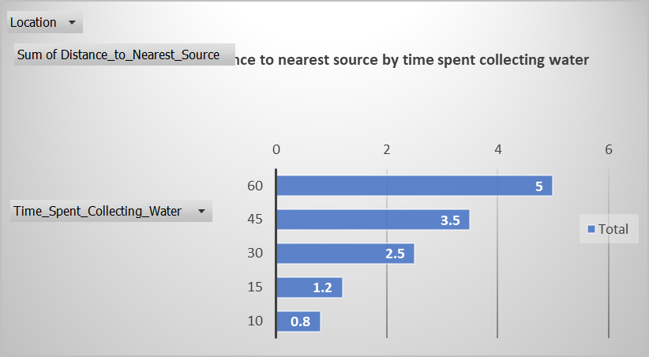
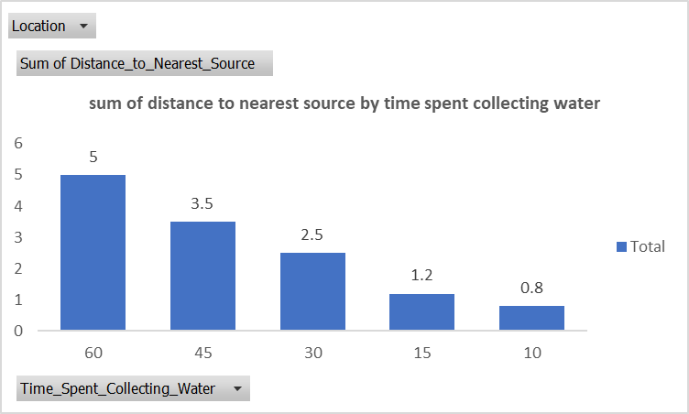
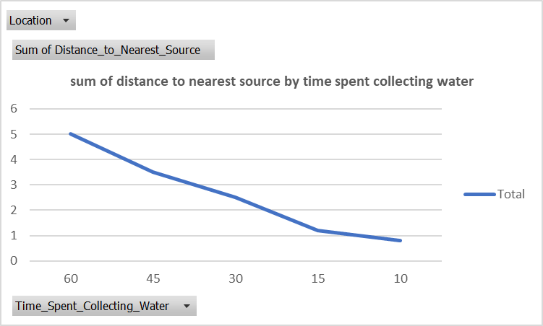
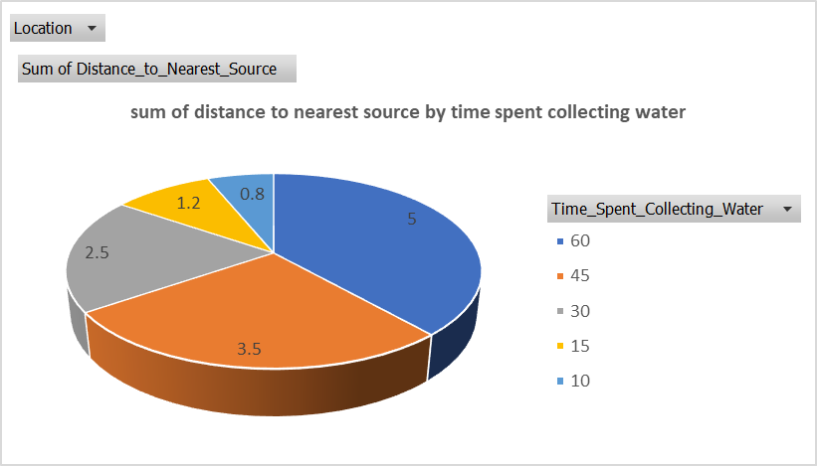
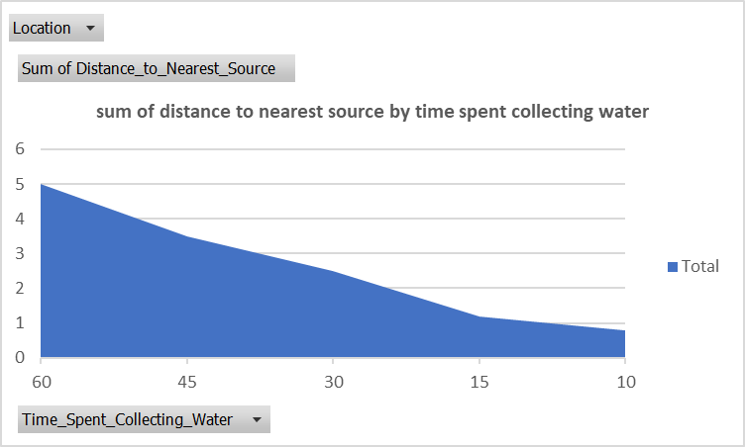
Household_ID by Cases reported 2025
Disease reported by Households in 2025
Row Labels | Sum of Cases_Reported |  |  | health_impact sheet2
Typhoid | 10
Cholera | 8
Diarrhea | 8
Dysentery | 6
Grand Total | 32

Disease reported by Households in 2025
Disease reported by Households in 2025

 |  |  | water_sources sheet6
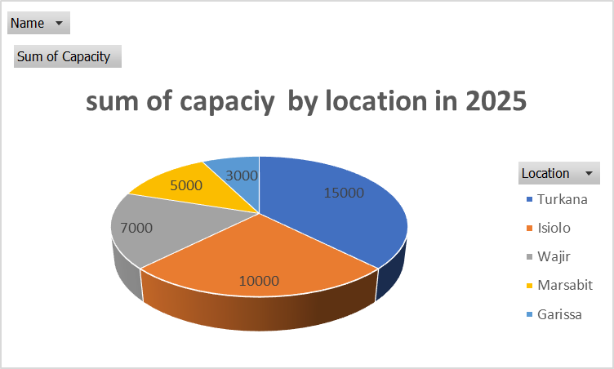
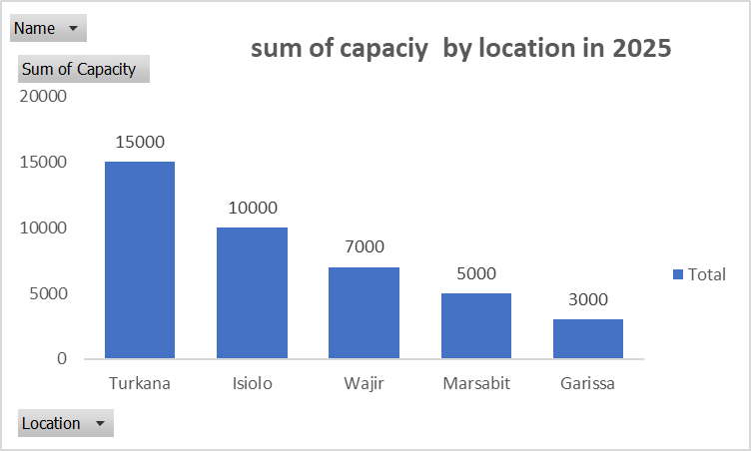

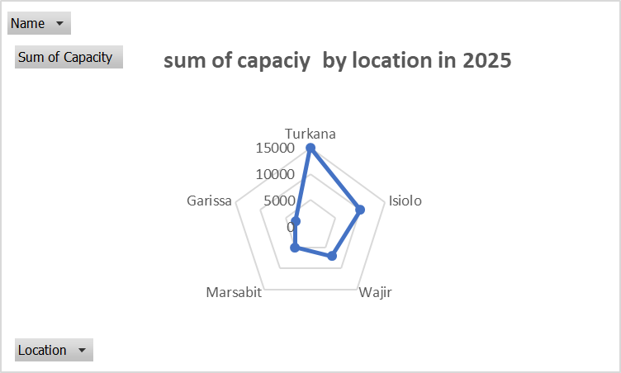
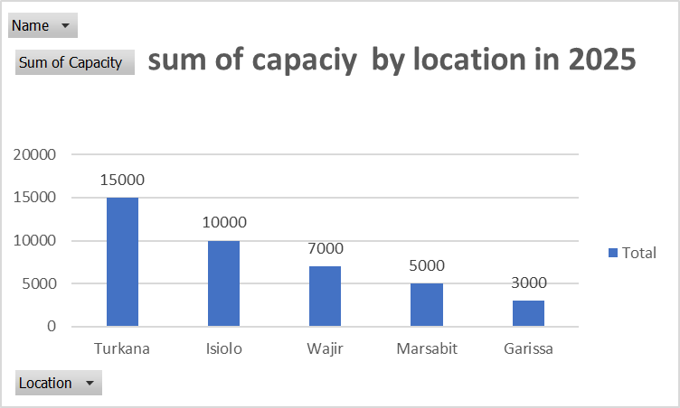

 |  | seasons_variations- Sheet4&14
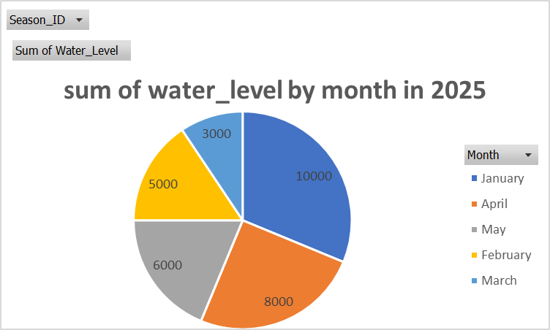
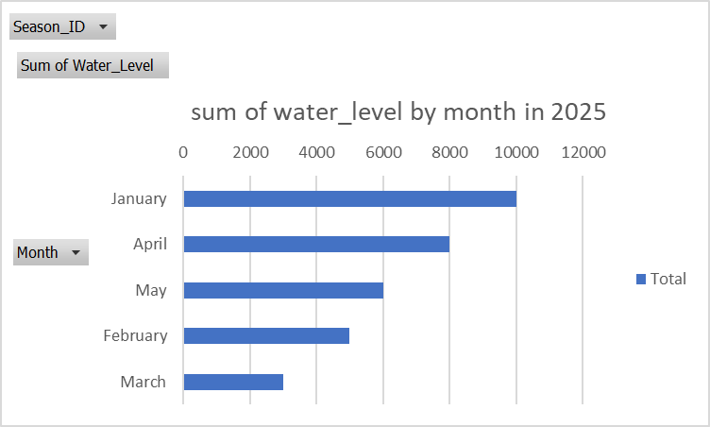

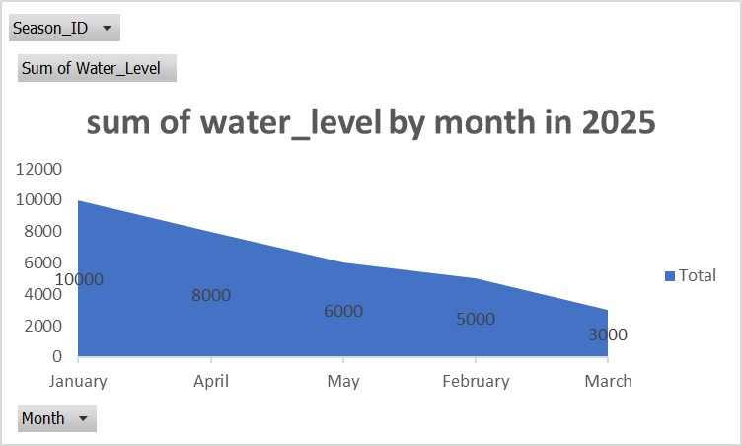
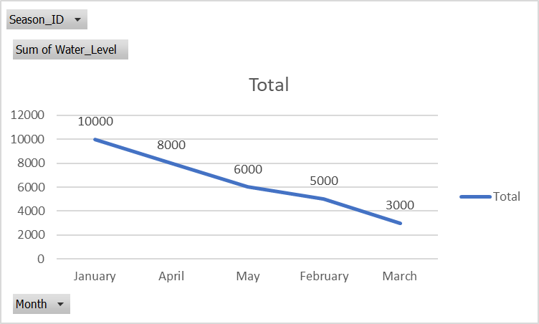

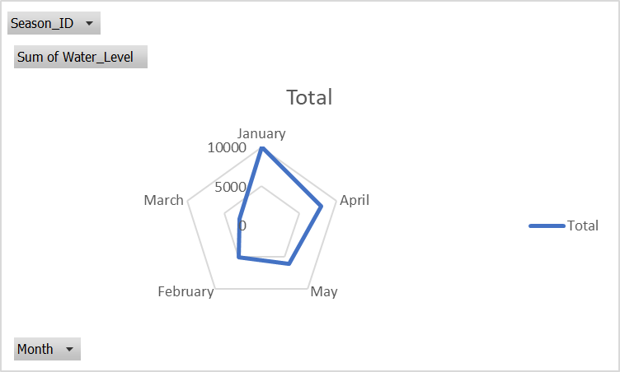

 |  |  |  |  | water_quality sheet5 &16
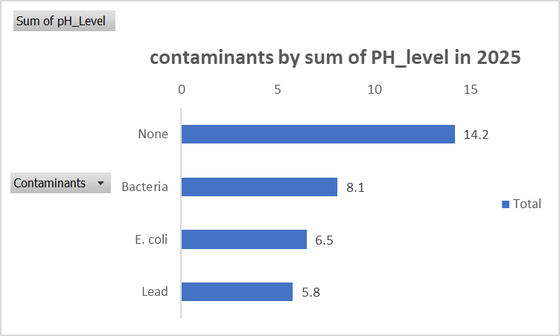
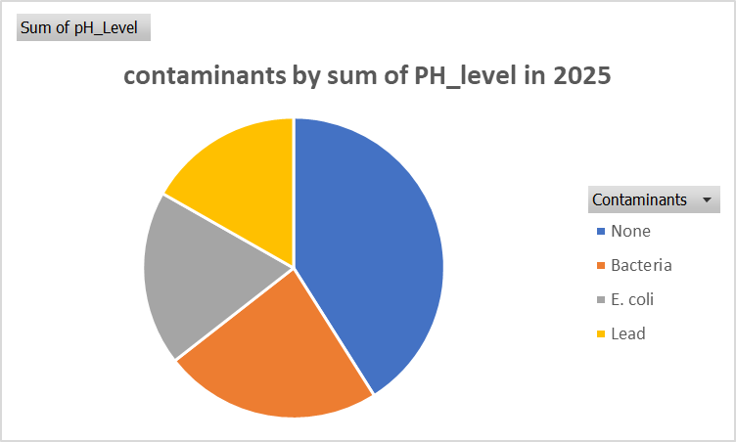

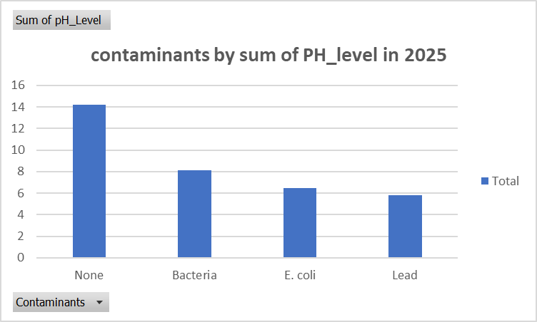
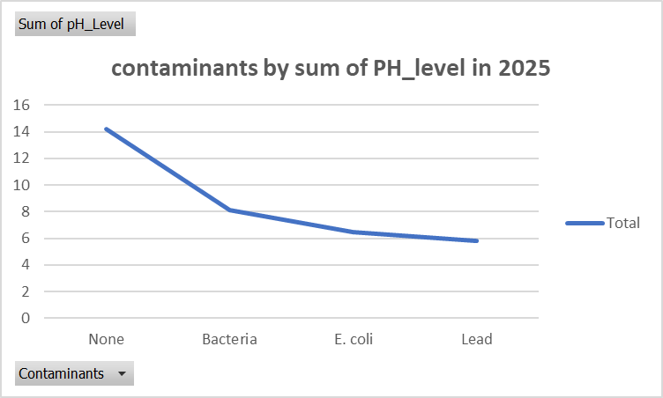

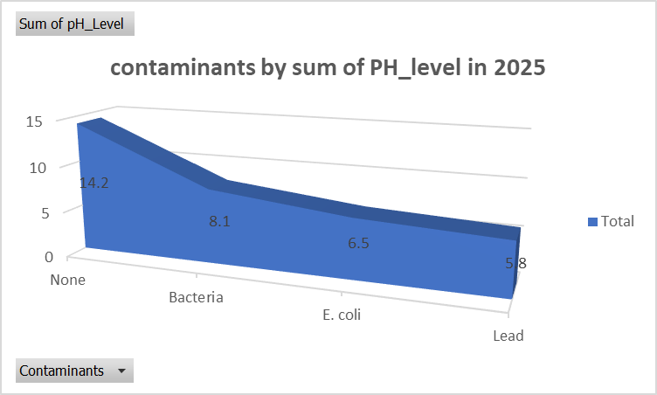

 |  |  |  |  | household_access sheet 18&3

Interactive Dashboard




health_impact-sheet2
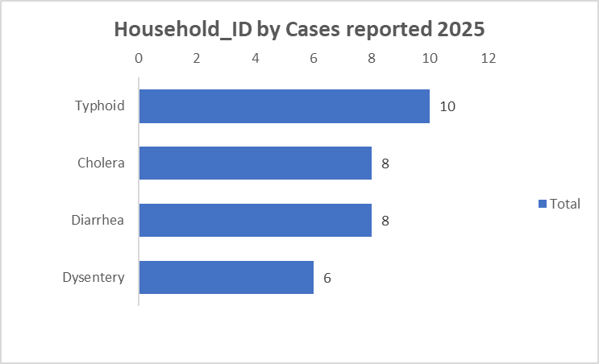
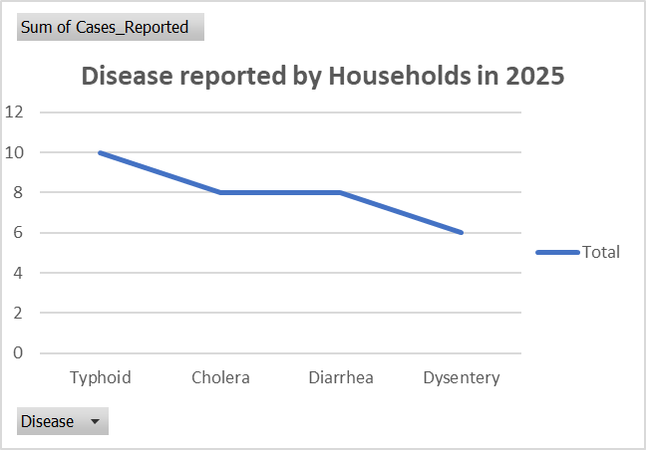
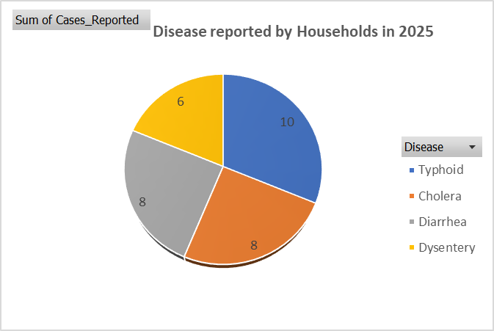

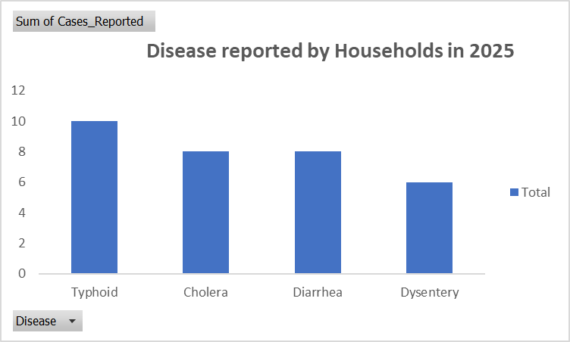

 | water_sources -sheet6






 | seasons_variations- Sheet4&14








 | water_quality sheet5 &16








 |  | household_access sheet 18&3

Sheet18
Location | (All)

Row Labels | Sum of Distance_to_Nearest_Source
60 | 5
45 | 3.5
30 | 2.5
15 | 1.2
10 | 0.8
sum of distance to nearest source by time spent collecting water
Grand Total | 13

sum of distance to nearest source by time spent collecting water

sum of distance to nearest source by time spent collecting water

sum of distance to nearest source by time spent collecting water

sum of distance to nearest source by time spent collecting water

Sheet17
Name | (All)

sum of capaciy by location in 2025
Row Labels | Sum of Capacity
Turkana | 15000
Isiolo | 10000
Wajir | 7000
Marsabit | 5000
Garissa | 3000
Grand Total | 40000

sum of capaciy by location in 2025

sum of capaciy by location in 2025

sum of capaciy by location in 2025

Sheet14
sum of water_level by month in 2025
Season_ID | (All)

Row Labels | Sum of Water_Level
January | 10000
April | 8000
May | 6000
February | 5000
March | 3000
Grand Total | 32000

sum of water_level by month in 2025

sum of water_level by month in 2025

Sheet16
Row Labels | Sum of pH_Level
None | 14.2
Bacteria | 8.1
contaminants by sum of PH_level in 2025
contaminants by sum of PH_level in 2025
E. coli | 6.5
Lead | 5.8
Grand Total | 34.6

contaminants by sum of PH_level in 2025

contaminants by sum of PH_level in 2025

contaminants by sum of PH_level in 2025

